Sheet19
d | 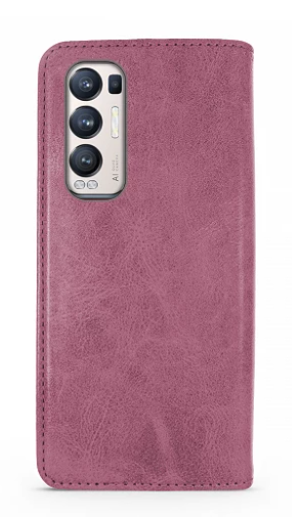 | 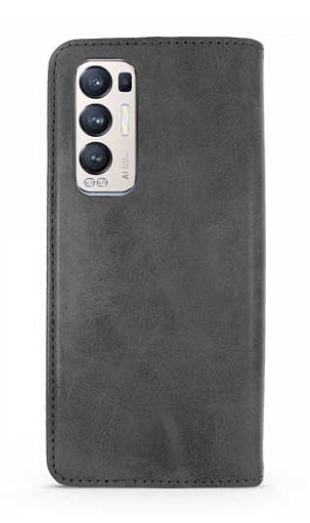 | 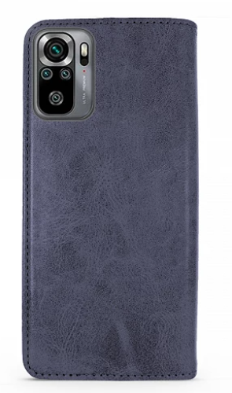
Galaxy Z Flip 3 |  | 1
Galaxy Z Fold 3 |  | 1
Samsung Galaxy S10 |  | 1 | 1
iPhone 6 Plus |  | 1
iPhone 6 | 1 | 2 | 1
Xiaomi Mi 11 Ultra |  | 1
Samsung Galaxy A71 | 1 | 1
Galaxy S10 Plus |  | 1
Huawei P Smart Z | 1 | 1 | 1
Huawei P40 Lite | 1 | 1
Huawei P30 Lite | 1 | 1
Huawei P Smart 2020 | 1 | 1
iPhone 13 Pro 6.1" | 1 | 2 | 1
iPhone 13 Mini |  | 1
iPhone 13 6.1" | 1 | 2 | 1
iPhone 13 Pro Max | 1 | 2 | 1
Huawei P Smart 2019 |  | 1 | 1
Xiaomi Mi 11 Lite |  | 1
Xiaomi Poco / MI11i F3 |  | 1
Xiaomi Mi 10T |  | 1
Redmi Note 10 5G |  | 1
Redmi Note 10 Pro | 1 | 1
Redmi Note 10 / 10S | 1 | 1 | 1
iPhone 7/8 / SE | 1 | 2 | 1
iPhone 7/8 Plus | 1 | 1
iPhone X / XS | 1 | 2 | 1
iPhone XR | 1 | 2 | 1
iPhone XS MAX | 1 | 2 | 1
iPhone 11 | 1 | 2 | 1
iPhone 11 Pro |  | 1
iPhone 11 Pro Max | 1 | 2 | 1
iPhone 12/12 Pro | 1 | 2 | 1
iPhone 12 Pro Max | 1 | 2 | 1
Samsung Galaxy A10 |  | 1
Samsung Galaxy A20E |  | 1
Samsung Galaxy A40 |  | 1
Samsung Galaxy A50 | 1 | 2 | 1
Samsung Galaxy A70 | 1 | 1
Samsung Galaxy A21S | 1 | 1 | 1
Samsung Galaxy A51 | 1 | 1 | 1
Samsung Galaxy A12 5G | 1 | 2 | 1
Samsung Galaxy A32 5G |  | 1
Samsung Galaxy A32 4G | 1 | 1 | 1
Samsung Galaxy A22 4G |  | 1
Samsung Galaxy A22 5G |  | 1
Samsung Galaxy A52-5G/A52-S | 1 | 2 | 1
Samsung Galaxy A72 5G | 1 | 1 | 1
Samsung Galaxy A02S/A03S |  | 1
Samsung Galaxy S20 | 1 | 1 | 1
Samsung Galaxy S20 Plus | 1 | 1 | 1
Samsung Galaxy S20 Ultra | 1 | 1 | 1
Samsung Galaxy S21 | 1 | 1 | 1
Samsung Galaxy S21 Plus | 1 | 1 | 1
Samsung Galaxy S21 Ultra

